Succession Planning Worksheet
Succession Planting | Seed to Flat, Actual | Est Begin Transplanting | Est End Transplanting | Plant to Field, Actual | Estimated Days to Harvest | Harvest Date | Ready for Harvest Description | Interval between Planting (Days) | Seed to Flat, Estimated (Next Crop) | Comments
Crop
Beets | 2025-01-20 | 2025-02-19 | 2025-03-21 | 2025-03-15 | 70 | 2025-05-24 | Roots are 1-3 inches in diameter, depending on variety. Greens are vibrant and tender. | 14 | 2025-02-03 | Cool-season, tolerates frost.

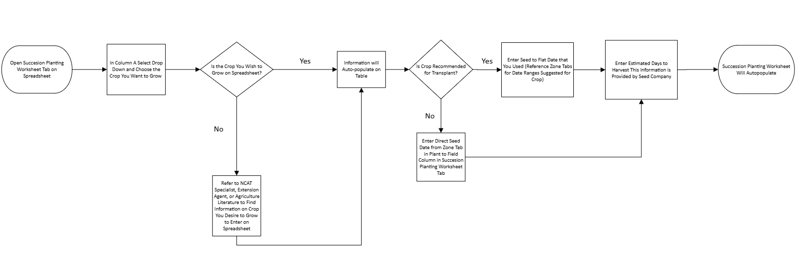
LEGEND | Instructions Below:
EXAMPLE
Enter Data in Columns Highlighted Yellow
See Red Corners for Additional Notes

